Payment Request
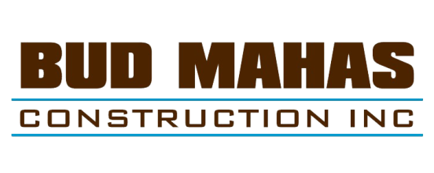
PAYMENT REQUEST FORM
- Bill only for work completed and material on site through the billing date
- We must have received your signed contract
- We must have current insurance certificates
- When billing 95% or more your close-out documents must be submitted

Project |  |  | Request # or Invoice #

Code |  |  | Month Ending

Work Description

Step #1 |  |  | Summary of Contract
1. Original Contract Amount |  | $
2. Approved Change Orders, please list:

3. Adjusted Contract Amount |  | $ | 0.00
Step #2 |  |  | Progress Billing
 | Job-To-Date |  | This Application
4. Work completed to date %
5. Less amount retained 5% | 0.00 |  | 0.00
6. Total work less retention | 0.00 |  | 0.00
7. Less previous payments actually received
8. Amount due this request | 0.00 |  | 0.00

Step #3 |  |  | Certification and Conditional Waiver
To the extent provided below, this document becomes effective to release and the undersigned is considered to waive any notice of lien or right under Utah Code Ann., Title 38, Chapter 1a, Preconstruction and Construction Liens, or any bond right under Utah Code Ann., Title 14, Contractors' Bonds, or Section 63G-6a-1103 related to payment rights the undersigned has on the above described Property once (1) the undersigned endorses a check in the above referenced Payment Amount payable to the undersigned; and (2) the check is paid by the depository institution on which it is drawn.
This waiver and release applies to a progress payment for the work, materials, equipment, or a combination of work, materials, and equipment furnished by the undersigned to the Property or to the Undersigned's Customer which are the subject of the Invoice or Payment Application, but only to the extent of the Payment Amount. This waiver and release does not apply to any retention withheld; any items, modifications, or changes pending approval; disputed items and claims; or items furnished or invoiced after the Payment Period.
The undersigned warrants that the undersigned either has already paid or will use the money the undersigned receives from this progress payment promptly to pay in full all the undersigned's laborers, subcontractors, materialmen, and suppliers for all work, materials, equipment, or combination of work, materials, and equipment that are the subject of this waiver and release.

Subcontractor | Authorized Signature |  | Title
 |  |  | submit to swise@budmahas.com
Please complete this form and submit with each payment request.

